Name Screening (Int DD)
Section | Q # | Question Text | User Help | R’qd | Dependent Response | Type | Score | Red Flag | KRF | SaM | Risk Category | Property | Property 2 | List
Name Screening for Associated Persons / Entities
 |  | Indicate the following person(s)/entity(ies) name(s) for name screening in accordance with baseline screening requirements, if applicable:
 |  | 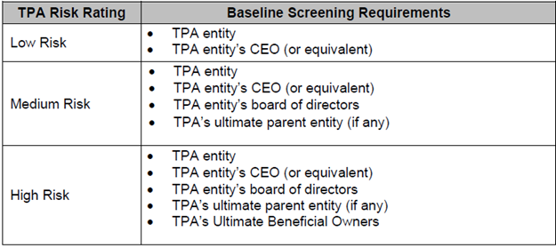
 | 1 | CEO information (if applicable) |  | N |  | Checkbox
 | 1.1 | Legal name of CEO |  | Y | Checked | Textbox |  |  | Yes | Yes |  | CEO Legal Name
 | 1.3 | Nationality of CEO |  | N | Checked | Dropdown with List |  |  | Yes | Yes |  | CEO Nationality |  | Global Countries - derived
 | 2 | Director(s) / Board of Directors information (if applicable) |  | N |  | Checkbox
 | 2.1 | Please provide the list of Directors information (Legal structure: Person) - *Full Legal Name (textbox) - Country (Dropdown with list: Global Countries - derived) |  | Y | Checked | Multi Col Table Property |  |  | Yes | Yes |  | Third Party Directors
 | 3 | Ultimate Parent Entity information |  | N |  | Checkbox
 | 3.1 | Please provide the information on the Ultimate Parent Entity (Legal structure: Entity) - *Full Legal Name (textbox) - Country (Dropdown with list: Global Countries - derived) |  | Y | Checked | Multi Col Table Property |  |  | Yes | Yes |  | Other Associated Entities
 | 4 | Ultimate Beneficial Owner(s) information |  | N |  | Checkbox
 | 4.1 | Please provide the Ultimate Beneficial Owner(s) information (Legal structure: Unknown) - *Full Legal Name (textbox) - Country (Dropdown with list: Global Countries - derived) - % Stake |  | Y | Checked | Multi Col Table Property |  |  | Yes | Yes |  | Ultimate Beneficial Owner

